重点
afn-warehouse-quantity | = | afn-fulfillable-quantity | + | afn-unsellable-quantity | + | afn-reserved-quantity | + | afn-researching-quantity

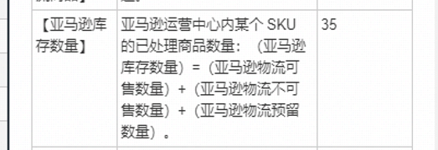

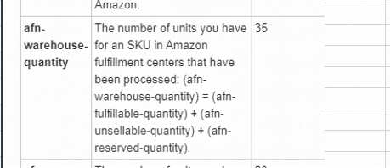

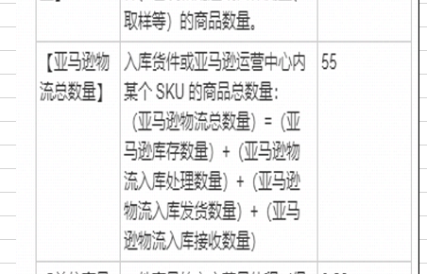

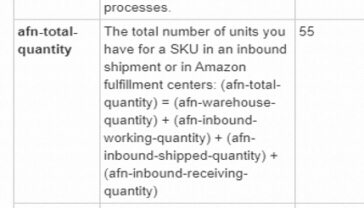

注:红色这几个字段需要同步到OI中
afn-warehouse-quantity | afn-fulfillable-quantity | afn-unsellable-quantity | afn-reserved-quantity |  | afn-total-quantity
亚马逊库存数量 | 可售数量 | 不可售数量 | 预留数量 |  | 物流总数量

字段说明
